Analysis
 | 85 |  |  |  |  |  | 110 |  |  |  |  |  | 150 |  |  |  |  |  | 175 |  |  |  |  |  | 200
Row Labels | 'bal | 'actual.smm | 'model.smm | 'model w/o refi | 'Ratio | 'Ratio w/o refi | 'bal | 'actual.smm | 'model.smm | 'model w/o refi | 'Ratio | 'Ratio w/o refi | 'bal | 'actual.smm | 'model.smm | 'model w/o refi | 'Ratio | 'Ratio w/o refi | 'bal | 'actual.smm | 'model.smm | 'model w/o refi | 'Ratio | 'Ratio w/o refi | 'bal | 'actual.smm | 'model.smm | 'model w/o refi | 'Ratio | 'Ratio w/o refi
-175 | 488,534 | 0.00 | 0.52 | 0.52 | 0.00 | 0.00 | 451,969 | 0.00 | 0.61 | 0.61 | 0.00 | 0.00 | 1,158,048 | 0.00 | 0.46 | 0.46 | 0.01 | 0.01 | 281,355 | 0.00 | 0.49 | 0.49 | 0.00 | 0.00 | 2,938,559 | 0.00 | 0.42 | 0.42 | 0.00 | 0.00
-150 | 4,838,230 | 0.01 | 0.55 | 0.55 | 0.02 | 0.02 | 3,028,281 | 0.80 | 0.56 | 0.56 | 1.42 | 1.42 | 6,808,925 | 0.01 | 0.53 | 0.53 | 0.03 | 0.03 | 3,149,336 | 0.03 | 0.51 | 0.51 | 0.05 | 0.05 | 20,139,480 | 2.22 | 0.44 | 0.44 | 5.09 | 5.09
-125 | 40,793,430 | 0.14 | 0.60 | 0.60 | 0.23 | 0.23 | 39,035,812 | 0.25 | 0.57 | 0.57 | 0.44 | 0.44 | 70,532,001 | 0.35 | 0.56 | 0.56 | 0.62 | 0.62 | 38,724,153 | 0.45 | 0.53 | 0.53 | 0.86 | 0.86 | 335,218,092 | 0.41 | 0.42 | 0.42 | 0.98 | 0.98
-100 | 292,461,449 | 0.91 | 0.65 | 0.65 | 1.40 | 1.40 | 392,191,753 | 0.79 | 0.61 | 0.61 | 1.29 | 1.29 | 731,421,249 | 0.71 | 0.59 | 0.59 | 1.20 | 1.20 | 424,766,759 | 0.56 | 0.55 | 0.55 | 1.00 | 1.00 | 4,381,810,081 | 0.41 | 0.44 | 0.44 | 0.95 | 0.95
-75 | 1,362,747,447 | 0.76 | 0.70 | 0.70 | 1.09 | 1.09 | 2,144,100,766 | 0.66 | 0.65 | 0.65 | 1.01 | 1.01 | 4,734,935,980 | 0.74 | 0.63 | 0.63 | 1.18 | 1.18 | 3,117,240,112 | 0.58 | 0.58 | 0.58 | 1.00 | 1.00 | 40,557,876,204 | 0.47 | 0.45 | 0.45 | 1.06 | 1.06
-50 | 5,414,954,180 | 0.77 | 0.75 | 0.75 | 1.03 | 1.03 | 9,870,188,708 | 0.75 | 0.71 | 0.71 | 1.06 | 1.07 | 23,474,302,160 | 0.70 | 0.69 | 0.69 | 1.01 | 1.02 | 16,067,322,672 | 0.71 | 0.65 | 0.63 | 1.10 | 1.11 | 243,551,740,604 | 0.56 | 0.52 | 0.49 | 1.07 | 1.16
-25 | 12,558,200,935 | 0.82 | 0.84 | 0.83 | 0.98 | 0.99 | 22,538,638,914 | 0.78 | 0.82 | 0.79 | 0.96 | 0.99 | 53,937,995,797 | 0.78 | 0.81 | 0.77 | 0.96 | 1.01 | 38,072,425,700 | 0.77 | 0.77 | 0.72 | 0.99 | 1.07 | 540,234,429,640 | 0.67 | 0.66 | 0.55 | 1.01 | 1.21
0 | 19,368,821,292 | 0.83 | 0.89 | 0.85 | 0.93 | 0.97 | 32,534,589,613 | 0.87 | 0.87 | 0.81 | 1.00 | 1.07 | 75,485,525,496 | 0.86 | 0.88 | 0.79 | 0.99 | 1.09 | 53,559,789,764 | 0.83 | 0.84 | 0.74 | 0.99 | 1.13 | 540,376,859,333 | 0.76 | 0.76 | 0.58 | 1.01 | 1.30

 |  | 85 | 85 | 85 |  |  |  | 110 | 110 | 110 |  |  |  | 150 | 150 | 150 |  |  |  | 175 | 175 | 175 |  |  |  | 175+ | 175+ | 175+
 |  | actual | model | ratio |  |  |  | actual | model | ratio |  |  |  | actual | model | ratio |  |  |  | actual | model | ratio |  |  |  | actual | model | ratio
-75 |  | 8.76 | 8.04 | 1.09 |  |  |  | 7.67 | 7.57 | 1.01 |  |  |  | 8.57 | 7.30 | 1.17 |  |  |  | 6.79 | 6.77 | 1.00 |  |  |  | 5.54 | 5.23 | 1.06
-50 |  | 8.82 | 8.59 | 1.03 |  |  |  | 8.66 | 8.16 | 1.06 |  |  |  | 8.05 | 7.98 | 1.01 |  |  |  | 8.16 | 7.47 | 1.09 |  |  |  | 6.56 | 6.12 | 1.07
-25 |  | 9.41 | 9.63 | 0.98 |  |  |  | 9.00 | 9.38 | 0.96 |  |  |  | 9.01 | 9.35 | 0.96 |  |  |  | 8.82 | 8.88 | 0.99 |  |  |  | 7.74 | 7.69 | 1.01
0 |  | 9.46 | 10.12 | 0.94 |  |  |  | 9.97 | 9.98 | 1.00 |  |  |  | 9.88 | 10.03 | 0.99 |  |  |  | 9.53 | 9.63 | 0.99 |  |  |  | 8.76 | 8.72 | 1.01

 |  |  |  | 0.98 |  |  |  |  |  | 1.01 |  |  |  |  |  | 0.99 |  |  |  |  |  | 1.02 |  |  |  |  |  | 1.03

JSON
 |  |  |  |  |  |  |  |  |  |  |  |  |  |  |  |  |  |  |  | JSON
 |  |  |  |  |  |  |  |  |  |  |  |  |  |  |  |  |  |  |  |  | prod | dev
 |  |  |  |  |  |  |  |  |  |  |  |  |  |  |  |  |  |  |  | 0 | 1.32 | 1.744
 |  |  |  |  |  |  |  |  |  |  |  |  |  |  |  |  |  |  |  | 60 | 1.13149987 | 1.1993898622
 |  |  |  |  |  |  |  |  |  |  |  |  |  |  |  |  |  |  |  | 120 | 0.9354282742 | 1.17978
 |  |  |  |  |  |  |  |  |  |  |  |  |  |  |  |  |  |  |  | 160 | 0.83415846595 | 1.04304
 |  |  |  |  |  |  |  |  |  |  |  |  |  |  |  |  |  |  |  | 200 | 0.78 | 0.96621
 |  |  |  |  |  |  |  |  |  |  |  |  |  |  |  |  |  |  |  | 300 | 0.74662311036 | 0.7788744
 |  |  |  |  |  |  |  |  |  |  |  |  |  |  |  |  |  |  |  | 600 | 0.72 | 0.7788744
 |  |  |  |  |  |  |  |  |  |  |  |  |  |  |  |  |  |  |  | 800 | 0.69 | 0.7788744

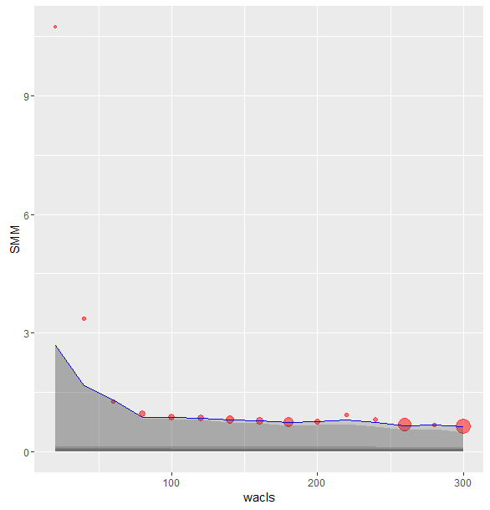
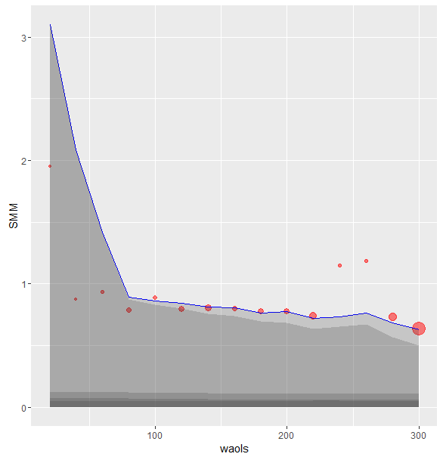

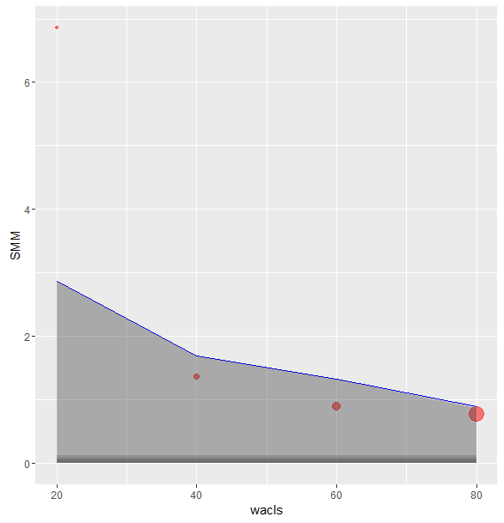
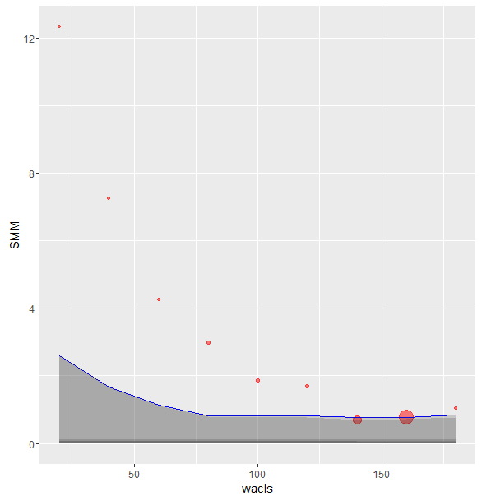
OLS 85K
OLS 175K

